Bug report
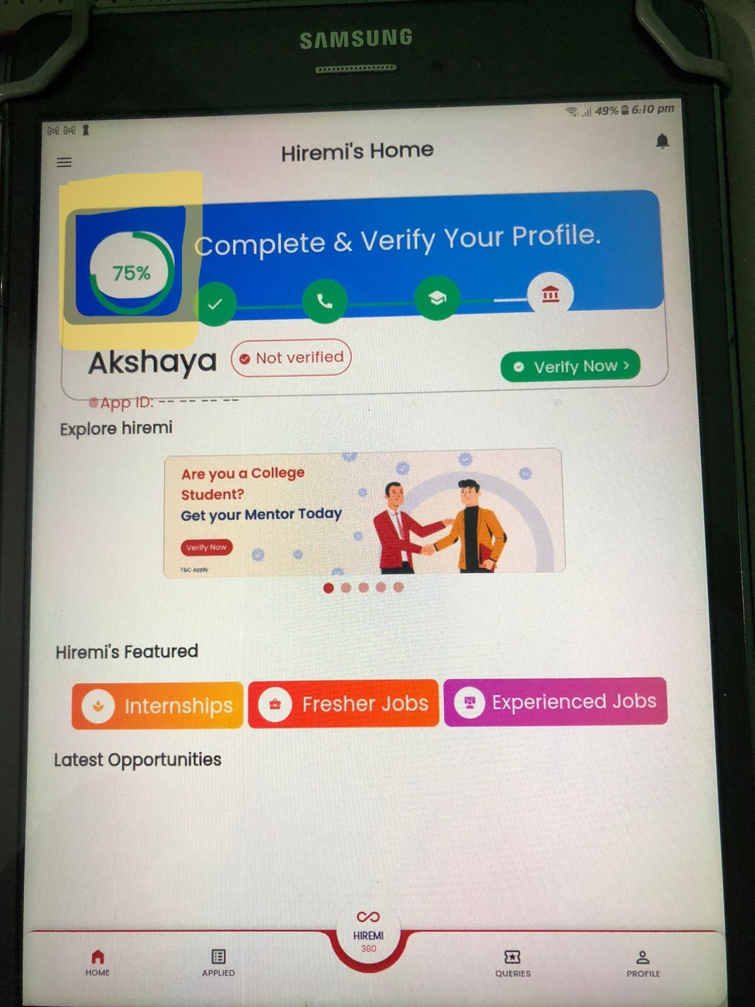
bugs
The application is not downloadable on iphone
The app limits accessibility for users with graduation dates prior to 2017 and could impact the overall user experience, leading to incomplete registrations for affected users.
Allowing future years in the "Passed Out Year" field can create inconsistencies in user profiles.
misalignment of a layout in tablet(for more info please check on bug image)
The verification process does not allow the user complete the verification to 100%.(for more info please check on bug image)
The user was not able to access the Hiremi 360 feature.

